Sheet1
Q value | Q value
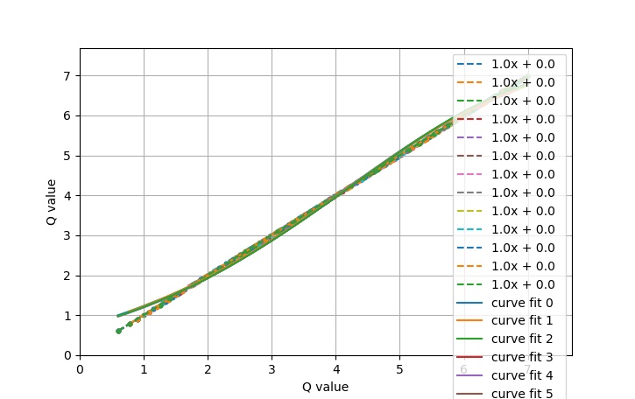

participant1 |  | Original R^2 Value | 1
Order | digit1 | digit2 | Answer | Actual answer | Q value | Time | Personal rating | Normalised rating | Fixed Q | Elements

